INITBTS_V4
LTE DU20 용 FHS
NetAct IP
DCAP IP
[주의사항] (1) 입력값은 영문만 허용됨. | RAT타입 | Radio버젼 |  |  | 국소명(영문) |  | 장비타입 |  | DU IP | SUBNET MASK |  | GW IP |  | VLAN ID | SYNC-1 |  |  | TOP(IP) 구성 > LTE ONLY |  | BBMOD 구성 |  |  |  |  |  | FHS 구성 (LTE DU20 only) |  |  |  |  |  | NetAct(EMS) IP |  | DCAP IP#1 |  | DCAP IP#2
 |  |  |  |  | string; 1..80 char; |  | enum; [FSMF,AirScale]; |  | string; 7...15 char; | string; 0...32, step 1; |  | string; 7...15 char; |  | number; 1...4094, step 1; |  | NUMBER; 1...5, step 1 | ENUM; Master : 1pps/ToD from external GNSS receiver, Slave : 1pps/ToD from Sync Hub Master, Backplane : 1pps/ToD from backplane, TOPP: TOPP |  | STRING; 2...253 characters |  | STRING; 4..16 char; CHOICE: FBBC, ABIL, ABIO, ABIP |  | STRING; 4..16 char; CHOICE: FBBC, ABIL, ABIO, ABIP |  | STRING; 4..16 char; CHOICE: FBBC, ABIL, ABIO, ABIP

CLI Scenario | Radio |  | MRBTS | LNBTS |  | SMOD |  | IPIF-1/IPADDRESSV4 |  |  | IPRT |  | VLANIF |  | SYNC-1/CLOCK |  |  | NTP |  | BBMOD |  |  |  |  |  | FHS_1 | FHS_2 | FHS_3 | FHS_4 | FHS_5 | FHS_6 | CTRLTS-1 |  | CTRLTS-1/MTRACE
Name | Type | Version | id | id | enbName | id | prod-name | id | localIpAddr | localIpPrefixLength | id | staticRoutes/gateway | id | vlanId | id | syncInputList/syncInputPrio | syncInputList/syncInputType | id | ntpServerIpAddrList[] | id | prod-name | id | prod-name | id | prod-name | id | id | id | id | id | id | id | netActIpAddr | id | tceIpAddress | id | tceIpAddress
 | 4G | 24R2 | 130122 | 130122 | NL_GumiOkgye | 1 | FSMF | 1 | 172.20.198.218 | 29 | 1 | 172.20.198.217 | 1 | 100 | 1 | 1 | Master | 1 | 4.5.1.99; 4.6.1.2 | 1 | FBBC |  |  |  |  |  |  |  |  |  |  | 1 | 10.113.252.58 | 0 | 10.113.246.69 | 1 | 10.113.246.69
 | 4G | 24R2 | 130122 |  |  |  |  |  |  |  |  |  |  |  |  |  |  |  |  | 2 | FBBC
INIT-BTS | 5G | 25R2 | 2350003 | 2350003 | NL_TEST2 | 1 | ASIK | 1 | 4.5.13.5 | 26 | 1 | 4.5.13.1 | 1 | 1000 | 1 | 1 | Master |  |  | 1 | ABIL | 2 | ABIL | 3 | ABIL |  |  |  |  |  |  | 1 | 10.113.252.58 | 0 | 10.113.246.69 | 1 | 10.113.246.69
INIT-BTS | 5G | 25R2 | 2350001 | 2350001 | NL_TEST3 | 1 | ASIL | 1 | 4.5.13.3 | 26 | 1 | 4.5.13.1 | 1 | 1000 | 1 | 1 | Master |  |  | 1 | ABIL | 2 | ABIL | 3 | ABIL |  |  |  |  |  |  | 1 | 10.113.252.58 | 0 | 10.113.246.69 | 1 | 10.113.246.69
 | 4G | 24R2 | 123456 | 123456 |  |  |  |  |  |  |  |  |  |  |  |  |  |  |  | 3 | ABIO |  |  |  |  |  |  |  |  | 5 | 6
 | 4G | 25R1 | 80000 | 80000 | NL_TEST3 | 1 | ASIL | 1 | 20.20.20.20 | 29 | 1 | 172.20.198.217 | 1 | 200 | 1 | 1 | TOPP |  | 4.5.1.99; 4.6.1.2
##### | ##### | ##### | ##### | ##### | ##### | ##### | ##### | ##### | ##### | ##### | ##### | ##### | ##### | ##### | ##### | ##### | ##### | ##### | ##### | ##### | ##### | ##### | ##### | ##### | ##### | ##### | ##### | ##### | ##### | ##### | ##### | ##### | ##### | ##### | ##### | ##### | #####

DU10 신규 개통 시나리오 #50: SMOD x 1, BBMOD x 1
DU20 신규 개통 시나리오 #52: SMOD x 1, BBMOD x 2, FHS x 2

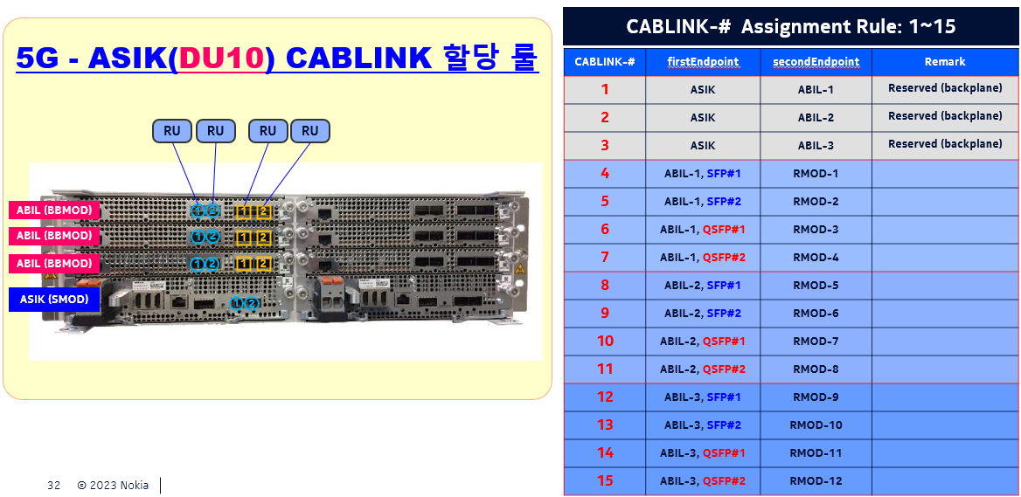
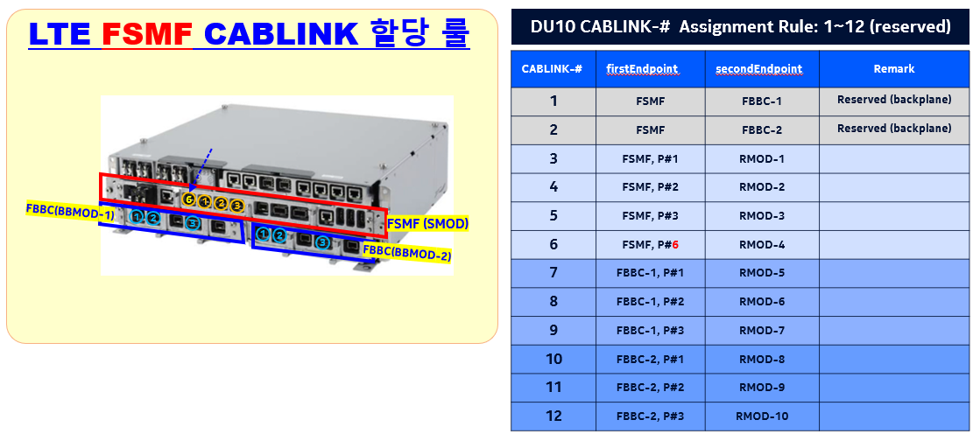
config |  |  |  |  |  |  |  | config
init-stp |  |  |  |  |  |  |  | init-stp
dest-bts |  | 130122 | ; |  |  |  |  | dest-bts |  | 2350003 | ;

check-ping |  | 130122 | ; |  |  |  |  | check-ping |  | 2350003 | ;

check-soam |  | 130122 | ; |  |  |  |  | check-soam |  | 2350003 | ;

update-sw-ver |  | 130122 | ; |  |  |  |  | update-sw-ver |  | 2350003 | ;

exit |  |  |  |  |  |  |  | exit

init-bts |  | -r | 4G | -v | 24R2 |  |  | init-bts |  | -r | 5G | -v | 25R2
tgt-bts |  | 130122 |  |  |  |  |  | tgt-bts |  | 2350003

get-hw-info; |  |  |  |  |  |  |  | get-hw-info;
download-bts-cfg |  |  |  |  |  |  |  | download-bts-cfg

btsName |  | NL_GumiOkgye |  |  |  |  |  | btsName |  | NL_GumiOkgye
LNBTS |  | 130122 |  |  |  |  |  | LNBTS |  | 2350003
enbName |  | NL_GumiOkgye |  |  |  |  |  | enbName |  | NL_TEST2
exit |  |  |  |  |  |  |  | exit

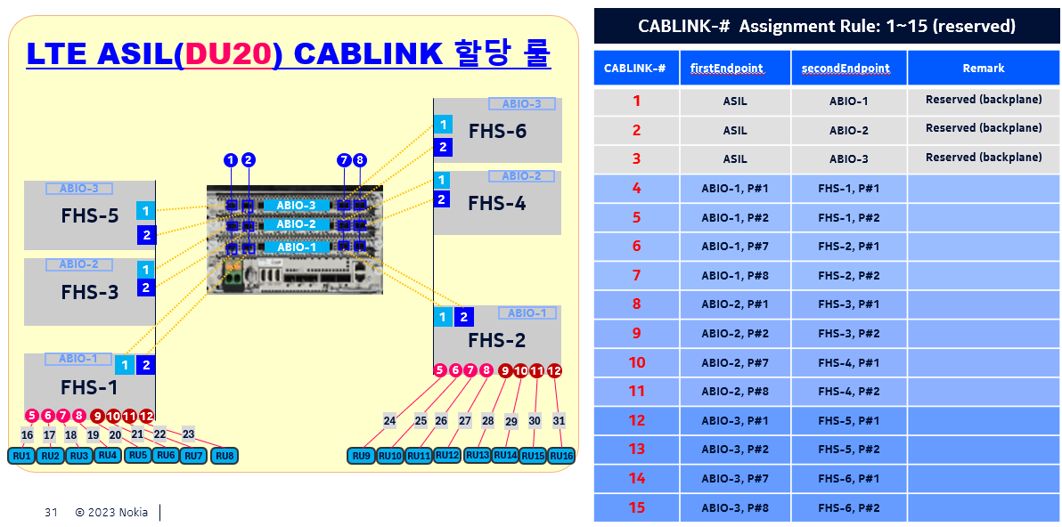
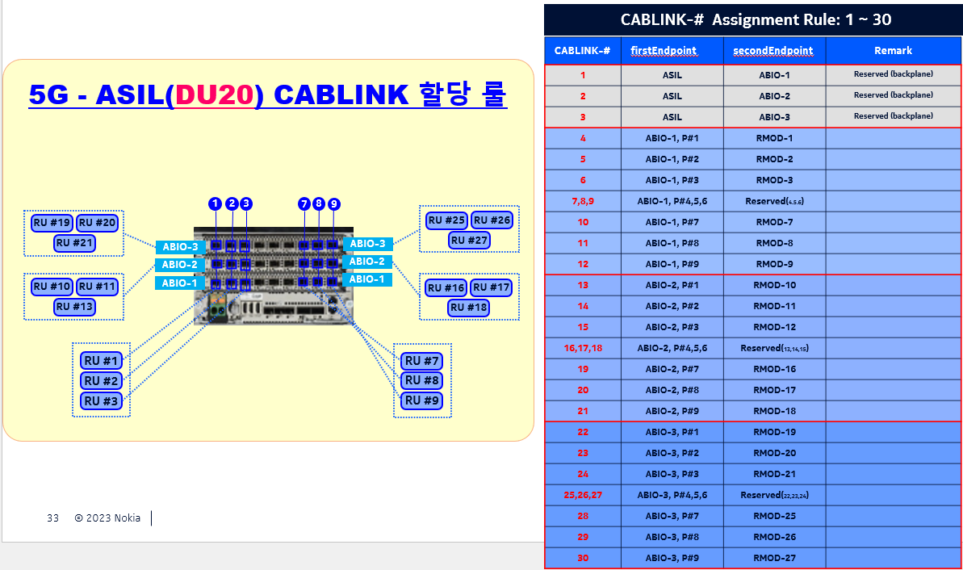

CTRLTS 1 |  |  |  |  |  |  |  | CTRLTS 1
netActIpAddr |  | 10.113.252.58 |  |  |  |  |  | netActIpAddr |  | 10.113.252.58
MTRACE 0 |  |  |  |  |  |  |  | MTRACE 0
tceIpAddress |  | 10.113.246.69 |  |  |  |  |  | tceIpAddress |  | 10.113.246.69
exit |  |  |  |  |  |  |  | exit
MTRACE 1 |  |  |  |  |  |  |  | MTRACE 1
tceIpAddress |  | 10.113.246.69 |  |  |  |  |  | tceIpAddress |  | 10.113.246.69
exit |  |  |  |  |  |  |  | exit
exit-all |  |  |  |  |  |  |  | exit-all

EQM 1 |  |  |  |  |  |  |  | EQM 1
APEQM 1 |  |  |  |  |  |  |  | APEQM 1
moduleLocation |  | NL_GumiOkgye |  |  |  |  |  | moduleLocation |  | NL_GumiOkgye
exit |  |  |  |  |  |  |  | exit
exit |  |  |  |  |  |  |  | exit

TNLSVC 1 |  |  |  |  |  |  |  | TNLSVC 1
TNL 1 |  |  |  |  |  |  |  | TNL 1
ETHSVC 1 |  |  |  |  |  |  |  | ETHSVC 1
ETHIF 1 |  |  |  |  |  |  |  | ETHIF 1
VLANIF |  | 1 |  |  |  |  |  | VLANIF |  | 1
vlanId |  | 100 |  |  |  |  |  | vlanId |  | 1000
exit |  |  |  |  |  |  |  | exit
exit |  |  |  |  |  |  |  | exit
 |  |  |  |  |  |  |  | exit-all

TNLSVC 1 |  |  |  |  |  |  |  | TNLSVC 1
TNL 1 |  |  |  |  |  |  |  | TNL 1
IPNO 1 |  |  |  |  |  |  |  | IPNO 1
IPIF 1 |  |  |  |  |  |  |  | IPIF 1
IPADDRESSV4 |  | 1 |  |  |  |  |  | IPADDRESSV4 |  | 1
localIpAddr |  | 172.20.198.218 |  |  |  |  |  | localIpAddr |  | 4.5.13.5
localIpPrefixLength |  | 29 |  |  |  |  |  | localIpPrefixLength |  | 26
exit |  |  |  |  |  |  |  | exit

IPRT 1 |  |  |  |  |  |  |  | IPRT 1
list staticRoutes |  | 1 | gateway | 172.20.198.217 |  |  |  | list staticRoutes |  | 1 | gateway | 4.5.13.5
list staticRoutes |  | 1 | routeIpMtu | 1510 |  |  |  | list staticRoutes |  | 1 | routeIpMtu | 1510
list staticRoutes |  | 1 | destIpAddr | 0.0.0.0 |  |  |  | list staticRoutes |  | 1 | destIpAddr | 0.0.0.0
 |  |  |  |  |  |  |  | exit
 |  |  |  |  |  |  |  | exit-all

exit
exit
exit
exit

MNL 1 |  |  |  |  |  |  |  | MNL 1
MNLENT 1 |  |  |  |  |  |  |  | MNLENT 1
SYNC 1 |  |  |  |  |  |  |  | SYNC 1
CLOCK |  | 1 |  |  |  |  |  | CLOCK |  | 1
list syncInputList |  | 1 | syncInputPrio | 1 |  |  |  | list syncInputList |  | 1 | syncInputPrio | 1
list syncInputList |  | 1 | syncInputType | 1pps/ToD from external GNSS receiver |  |  |  | list syncInputList |  | 1 | syncInputType | 1pps/ToD from external GNSS receiver
 |  |  |  |  |  |  |  | list syncInputList
 |  |  |  |  |  |  |  | list syncInputList
 |  |  |  |  |  |  |  | list syncInputList
 |  |  |  |  |  |  |  | list syncInputList
exit |  |  |  |  |  |  |  | exit

GNSSE |  | 1 |  |  |  |  |  | GNSSE | 1
gnssLineDelay |  | 519 |  |  |  |  |  | gnssLineDelay | 519
exit |  |  |  |  |  |  |  | exit
TOPP |  | 1 |  |  |  |  |  | TOPP | 1
masterIpAddr |  | 100.99.255.65 |  |  |  |  |  | masterIpAddr | 100.99.255.65
exit |  |  |  |  |  |  |  | exit
 |  |  |  |  | 4.5.1.99 | 4.6.1.2

NTP |  | 1 |  |  |  |  |  | NTP |  | 0
list ntpServerIpAddrList |  | 1 | val | 4.5.1.99 |  |  |  | list ntpServerIpAddrList |  | 1 | val | 0
list ntpServerIpAddrList |  | 2 | val | 4.6.1.2
maxNtpTimeError |  | 200 |  |  |  |  |  | maxNtpTimeError |  | 200
ntpAlarmingThreshold |  | 300 |  |  |  |  |  | ntpAlarmingThreshold |  | 300
ntpDscp |  | 46 |  |  |  |  |  | ntpDscp |  | 46
exit-all |  |  |  |  |  |  |  | exit
 |  |  |  |  |  |  |  | exit-all

SMOD |  | 1 |  |  |  |  |  | EQM 1
prod-name |  | FSMF |  |  |  |  |  | APEQM 1
exit |  |  |  |  |  |  |  | SMOD | 1
BBMOD |  | 1 |  |  |  |  |  | prod-name | ASIK
prod-name |  | FBBC |  |  |  |  |  | exit
exit |  |  |  |  |  |  |  | BBMOD | 1
 |  |  |  |  |  |  |  | prod-name | ABIL
 |  |  |  |  |  |  |  | exit
 |  |  |  |  |  |  |  | BBMOD | 2
 |  |  |  |  |  |  |  | prod-name | ABIL
 |  |  |  |  |  |  |  | exit
 |  |  |  |  |  |  |  | FHS | 0
 |  |  |  |  |  |  |  | exit
 |  |  |  |  |  |  |  | FHS | 0
 |  |  |  |  |  |  |  | exit
 |  |  |  |  |  |  |  | exit-all

 |  |  |  |  |  |  |  | set-cfg-tmpl LTE_TNLSVC_CFG_DFLT;
 |  |  |  |  |  |  |  | >RESULT = OK;

set-cfg-tmpl LTE_TNLSVC_CFG_DFLT;
>RESULT = OK; |  |  |  |  |  |  |  | set-cfg-tmpl LTE_MNL_CFG_DFLT;
 |  |  |  |  |  |  |  | >RESULT = OK;
set-cfg-tmpl LTE_MNL_CFG_DFLT;
>RESULT = OK; |  |  |  |  |  |  |  | commit;
 |  |  |  |  |  |  |  | >RESULT = OK;
commit;
>RESULT = OK; |  |  |  |  |  |  |  | apply-bts-cfg;
 |  |  |  |  |  |  |  | >RESULT = OK;
apply-bts-cfg;
>RESULT = OK; |  |  |  |  |  |  |  | act-bts-cfg;
 |  |  |  |  |  |  |  | >RESULT = OK;
act-bts-cfg; |  |  |  |  |  |  |  | exit
>RESULT = OK; |  |  |  |  |  |  |  | exit
exit
exit

config
init-mod |  | -r | 4G
tgt-bts |  | 130122 |  | -v | 24R2
get-hw-info;
download-bts-cfg

BBMOD |  | 2
prod-name |  | FBBC
exit

commit;
>RESULT = OK;

apply-bts-cfg;
>RESULT = OK;

act-bts-cfg;
>RESULT = OK;
exit-all

 |  |  |  |  |  |  |  | config
 |  |  |  |  |  |  |  | init-mod |  | -r | 5G | -v | 25R2
 |  |  |  |  |  |  |  | tgt-bts |  | 2350001
 |  |  |  |  |  |  |  | get-hw-info;
 |  |  |  |  |  |  |  | download-bts-cfg

 |  |  |  |  |  |  |  | FHS |  | 0
 |  |  |  |  |  |  |  | exit
 |  |  |  |  |  |  |  | FHS |  | 0
 |  |  |  |  |  |  |  | exit

 |  |  |  |  |  |  |  | commit;
 |  |  |  |  |  |  |  | >RESULT = OK;

 |  |  |  |  |  |  |  | apply-bts-cfg;
 |  |  |  |  |  |  |  | >RESULT = OK;

 |  |  |  |  |  |  |  | act-bts-cfg;
 |  |  |  |  |  |  |  | >RESULT = OK;
 |  |  |  |  |  |  |  | exit-all

 |  |  |  |  |  |  |  | config
 |  |  |  |  |  |  |  | init-mod |  | -r | 4G | -v | 24R2
 |  |  |  |  |  |  |  | tgt-bts |  | 123456
 |  |  |  |  |  |  |  | get-hw-info;

 |  |  |  |  |  |  |  | download-bts-cfg

 |  |  |  |  |  |  |  | BBMOD |  | 3
 |  |  |  |  |  |  |  | prod-name |  | ABIO
 |  |  |  |  |  |  |  | exit
 |  |  |  |  |  |  |  | FHS |  | 5
 |  |  |  |  |  |  |  | exit
 |  |  |  |  |  |  |  | FHS |  | 6
 |  |  |  |  |  |  |  | exit

 |  |  |  |  |  |  |  | commit;
 |  |  |  |  |  |  |  | >RESULT = OK;

 |  |  |  |  |  |  |  | apply-bts-cfg;
 |  |  |  |  |  |  |  | >RESULT = OK;

 |  |  |  |  |  |  |  | act-bts-cfg;
 |  |  |  |  |  |  |  | >RESULT = OK;
 |  |  |  |  |  |  |  | exit-all

INITCELL_V4
 |  | 망(셀) 특화 파라미터 | RAT타입 | Radio버젼 | 기지국 ID |  | RU 모델명 | 3섹터 적용 |  | 프런트홀 |  |  |  |  |  |  |  | PCI | TAC | NBIOT LINK |  | RSI |  | LCR ID | NBIOT LINK
 | [주의사항] (1) 입력값은 영문만 허용됨. | STRING; User-defined file name | ENUM; [4G, 5G] | STRING; 24R2, 24R3, 25R1, 25R2, 25R3, 26R1, 26R2, 26R3, etc |  |  | STRING: 4..16 char; | ENUM; [TRUE,FALSE]; . Default: FALSE . FXCA only |  | ENUM; smod-1,bbmod-1,bbmod-2,bbmod-3, fhs-1, fhs-2, fhs-3, fhs-4, fhs-5, fhs-6 | ENUM; OPT(LTE FSMF), SFP(LTE DU20), QSFP(5G DU10), SFP(5G DU20) | NUMBER; 0...255, step 1; | ENUM; OPT(LTE FSMF), SFP(LTE DU20), SFP(5G DU10), SFP(5G DU20) | NUMBER; 0...255, step 1; | NUMBER; LTE (0..65535) 5G(0...68719476735) |  | NUMBER; 0...255, step 1; | NUMBER; 0...503, step 1 | NUMBER; 0...65535, step 1 | NUMER; 0...255, step 1; |  | NUMBER: 0...837, step 1 5G: if cellTechnology = 'TDD' and nrarfcn ≤ 800000 and prachConfigurationIndex > 66 then prachRootSequenceIndex <= 137 | NUMBER; LTE (0..65535) 5G (N/A) | NUMBER; 0...255, step 1; | NUMBER: 0...837, step 1 5G: if+AB2 cellTechnology = 'TDD' and nrarfcn ≤ 800000 and prachConfigurationIndex > 66 then prachRootSequenceIndex <= 137
BTS
RMOD
CELL
NBIOT
5G Only
LTE Only
LTE Only
 | CLI Scenario | NetType | Radio |  | MRBTS | RMOD |  |  | CABLINK |  |  |  |  |  | LNCEL/NRCELL |  |  |  |  |  | LNCEL_FDD/NRCELL |  | LNCEL_IOT
 | Name |  | Type | Version | id | id | prod-name | cell-type | id | dest-mod | firstEndpointLabel | firstEndpointPortId | secondEndpointLabel | secondEndpointPortId | id | cellName | lcrId | phyCellId | tac | nbIotLinkedCellId | id | rootSeqIndex | id | lcrId | nbIotLinkedCellId
DU10
DU10
DU10 | INIT-CELL |  | 5G | 25R2 | 2350003 | 9 | AEQN |  | 12 | bbmod-3 | SFP | 1 | SFP | 1 | 201 | NR_TEST1 | 9 | 113 | 59456 | 109 | 0 | 100 | 22113 | 109 | 9
DU20 | INIT-CELL |  | 5G | 25R2 | 2350003 | 10 | AHQK | AHQK_2_2 | 13 | bbmod-3 | SFP | 2 | SFP | 1 | 202 | NR_TEST1 | 10 | 114 | 59457 | 110 | 0 | 100 | 22113 | 110 | 10
DU20 | INIT-CELL |  | 5G | 25R2 | 2350003 | 1 | AZQG | AZQG_4_2_2 | 34 | bbmod-1 | SFP | 1 | SFP | 1 | 101 | NR_TEST1 | 1 | 101 | 59441 | 101 | 0 | 100 | 22113 | 101 | 1
 | ##### | ##### | ##### | ##### | ##### | ##### | ##### | ##### | ##### | ##### | ##### | ##### | ##### | ##### | ##### | ##### | ##### | ##### | ##### | ##### | ##### | ##### | ##### | ##### | #####

각 DU HW 타입 별 CABLINK 할당 규칙은, <INITBTS_V4> 시트 참조

DU10/DU20 (통합) 신규 셀 개통 시나리오: # 11, #12, #13, #23, #24

 |  | config
 |  | init-stp
 |  | dest-bts |  | 0
 |  | >RESULT = OK; RET = '4.4.0.140'
 |  | (dest-bts-ip 4.4.0.140)
 |  | check-ping |  | 0
 |  | >RESULT = OK; RET = ['Server Up' | 'Serer Down']
 |  | exit
 |  | init-cell |  | -r | 0 | -v | 0 | -i | 0

 |  | set-ru-type |  | 0
 |  | tgt-bts |  | 0
 |  | download-bts-cfg;

 |  | EQM 1
 |  | APEQM 1
 |  | RMOD |  | 0
 |  | auto-config
 |  | moduleLocation |  | 0
 |  | exit
 |  | exit
 |  | exit

 |  | EQM 1
 |  | HWTOP 1
 |  | CABLINK |  | 0
 |  | firstEndpointDN |  | MRBTS- | 0 | /EQM-1/APEQM-1/CABINET-1/
 |  | firstEndpointLabel |  | 0
 |  | firstEndpointPortId |  | 0
 |  | secondEndpointDN |  | MRBTS- | 0 | /EQM-1/APEQM-1/CABINET-1/RMOD- |  |  | 0
 |  | secondEndpointLabel |  | 0
 |  | secondEndpointPortId |  | 0
 |  | exit
 |  | exit
 |  | exit

 |  | LNBTS |  | 0
 |  | LNCEL |  | 0
 |  | auto-config
 |  | lcrId |  | 0
 |  | phyCellId |  | 0
 |  | tac |  | 0
 |  | nbIotLinkedCellId |  | 0

 |  | LNCEL_FDD 0
 |  | rootSeqIndex |  | 0
 |  | exit
 |  | exit
 |  | exit

 |  | MNL 1
 |  | MNLENT 1
 |  | CELLMAPPING 1
 |  | auto-config LCELL |  | 0
 |  | exit
 |  | exit
 |  | exit
 |  | exit

 |  | LNBTS |  | 0
 |  | LNCEL |  | 0
 |  | auto-config
 |  | lcrId |  | 0
 |  | phyCellId |  | 0
 |  | tac |  | 0
 |  | nbIotLinkedCellId |  | 0

 |  | MNL 1
 |  | MNLENT 1
 |  | CELLMAPPING 1
 |  | auto-config LCELL |  | 0
 |  | exit
 |  | exit
 |  | exit

 |  | set-cfg-tmpl |  | 0 | ;
 |  | >RESULT = OK;

 |  | commit;
 |  | >RESULT = OK;

 |  | apply-bts-cfg;
 |  | >RESULT = OK;

 |  | act-bts-cfg;
 |  | >RESULT = OK;
 |  | exit
 |  | exit

INITMOD_V1
 | [주의사항] (1) 입력값은 영문만 허용됨. |  |  |  | 기지국 ID | 장비타입 (BBMOD) |  | 장비타입 (BBMOD) |  | 장비타입 (BBMOD) |  | FHS 링크 #1 |  |  |  |  |  | FHS 링크 #2
 |  |  |  |  |  | string; 4..16 char; |  | string; 4..16 char; |  | string; 4..16 char; |  | NUMBER; | ENUM; bbmod-1,bbmod-2,bbmod-3, fhs-1, fhs-2, fhs-3, fhs-4, fhs-5, fhs-6 | ENUM; OPT(LTE FSMF), SFP(LTE DU20), QSFP(5G DU10), SFP(5G DU20) | NUMBER; 0...255, step 1; | ENUM; OPT(LTE FSMF), SFP(LTE DU20), QSFP(5G DU10), SFP(5G DU20) | NUMBER; 0...255, step 1; | NUMBER; | ENUM; bbmod-1,bbmod-2,bbmod-3, fhs-1, fhs-2, fhs-3, fhs-4, fhs-5, fhs-6 | ENUM; OPT(LTE FSMF), SFP(LTE DU20), QSFP(5G DU10), SFP(5G DU20) | NUMBER; 0...255, step 1; | ENUM; OPT(LTE FSMF), SFP(LTE DU20), QSFP(5G DU10), SFP(5G DU20) | NUMBER; 0...255, step 1;
BTS#
BBMOD
FHS
Front Haul Link between DU & FH Switch
 | CLI Scenario | Radio |  | MRBTS | BBMOD |  |  |  |  |  | FHS_1 | CABLINK_L11 |  |  |  |  |  | CABLINK_L2
 | Name | Type | Version | id | id | prod-name | id | prod-name | id | prod-name | id | id | dest-mod | firstEndpointLabel | firstEndpointPortId | secondEndpointLabel | secondEndpointPortId | id | dest-mod | firstEndpointLabel | firstEndpointPortId | secondEndpointLabel | secondEndpointPortId
 | init-bts | 4G | 24R2 | 123456
DU20 |  | 4G | 24R2 | 123456 | 2 | ABIO |  |  |  |  | 3 | 8 | bbmod-2 | OPT | 1 | OPT | 1 | 9 | bbmod-2 | OPT | 2 | OPT | 2
DU20 |  | 4G | 24R2 | 123456 |  |  |  |  |  |  | 4 | 10 | bbmod-2 | OPT | 7 | OPT | 1 | 11 | bbmod-2 | OPT | 8 | OPT | 2
DU20 |  | 4G | 24R2 | 123456 | 3 | ABIO
DU20 |  | 4G | 24R2 | 123456 |  |  |  |  |  |  | 5 | 12 | bbmod-3 | OPT | 1 | OPT | 1 | 13 | bbmod-3 | OPT | 2 | OPT | 2
DU20 |  | 4G | 24R2 | 123456 |  |  |  |  |  |  | 6 | 14 | bbmod-3 | OPT | 7 | OPT | 1 | 14 | bbmod-2 | OPT | 8 | OPT | 2

DU20 신규 개통 시나리오 - BBMOD x 1, FHS x 2 추가
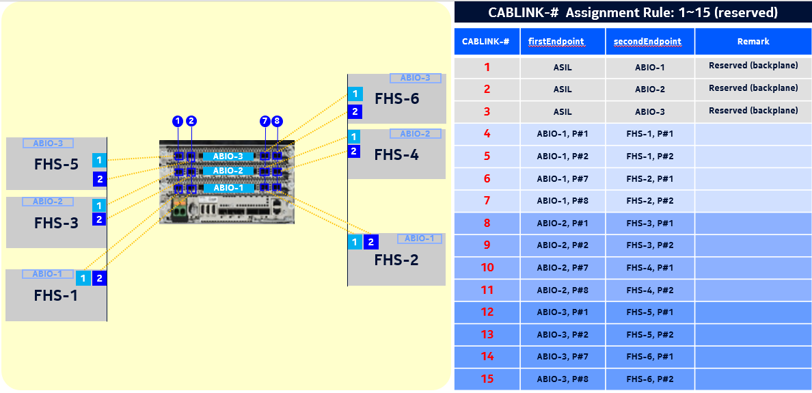

 | config
 | init-mod |  | -r | 4G | -v | 24R2
 | tgt-bts |  | 123456
 | get-hw-info;

 | download-bts-cfg

 | BBMOD |  | 2
 | prod-name |  | ABIO
 | exit
 | FHS |  | 3
 | exit
 | FHS |  | 4
 | exit

 | commit;
 | >RESULT = OK;

 | apply-bts-cfg;
 | >RESULT = OK;

 | act-bts-cfg;
 | >RESULT = OK;
 | exit-all

DU20 신규 개통 시나리오 - BBMOD x 1

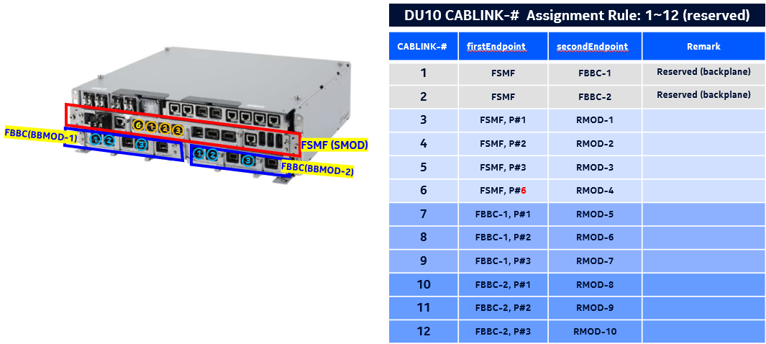
 | config
 | init-mod |  | -r | 4G | -v | 24R2
 | tgt-bts |  | 123456
 | get-hw-info;
 | download-bts-cfg

 | BBMOD |  | 3
 | prod-name |  | ABIO
 | exit

 | commit;
 | >RESULT = OK;

 | apply-bts-cfg;
 | >RESULT = OK;

 | act-bts-cfg;
 | >RESULT = OK;
 | exit-all

DU20 신규 개통 시나리오 - FHS x 2

 | config
 | init-mod |  | -r | 4G | -v | 24R2
 | tgt-bts |  | 123456
 | get-hw-info;
 | download-bts-cfg

 | FHS |  | 5
 | exit
 | FHS |  | 6
 | exit

 | commit;
 | >RESULT = OK;

 | apply-bts-cfg;
 | >RESULT = OK;

 | act-bts-cfg;
 | >RESULT = OK;
 | exit-all

